Sheet1
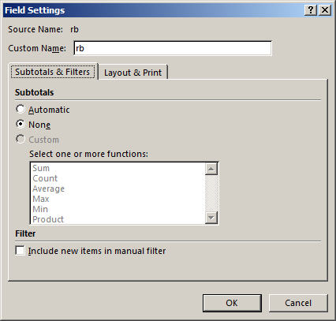
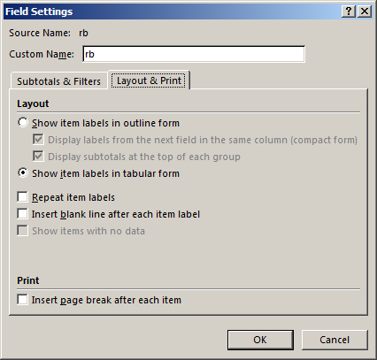

Row Labels | Ime | Sum of Part | Sum of Bod | Sum of Pros
1 |  | 315 | 48 | 6.5625
2 | Dejan | 411 | 54 | 7.6111111111
3 | Ivan | 352 | 57 | 6.1754385965
4 | Ivica | 290 | 48 | 6.0416666667
5 | Savo | 270 | 45 | 6
Grand Total |  | 1638 | 252 | 32.390716374

